Sheet1
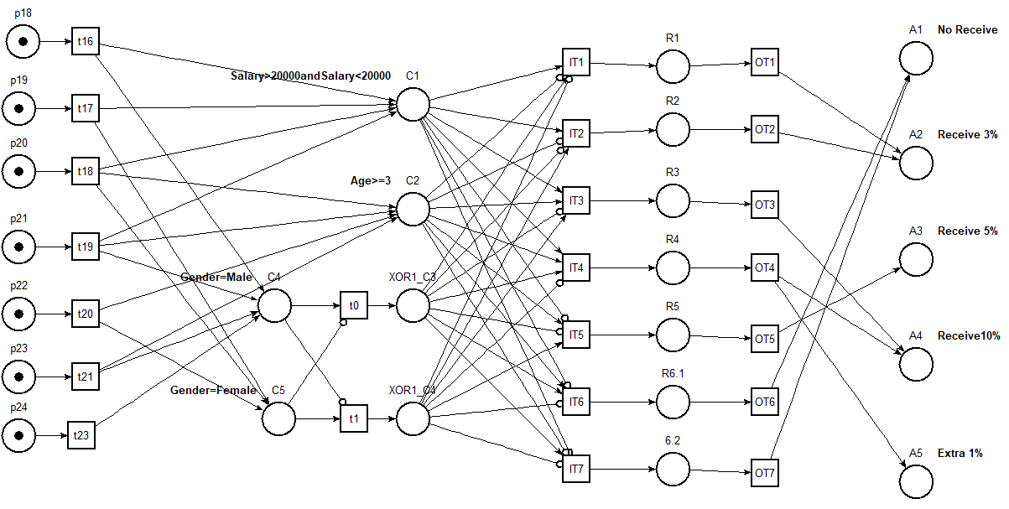
ID | Variable1/Description | Operator1 | Value1 | Logic Gate | Variable2/Description | Operator2 | Value2 | R1 | R2 | R3 | R4 | R5 | R6
C1 | EmployeeGrade | = | A |  |  |  |  | t | T | T | T | f | F
C2 | EmployeeGrade | <> | A |  |  |  |  | F | F | F | F | F | T
C3 | EmployeeGrade | = | B | and | EmployeeGrade | = | B | f | F | F | f | T | F
C4 | EmployeeGrade | = | B |  |  |  |  | F | F | F | F | F | f
C5 | Gender | = | Male | or | Gender | = | Female | T | F | T | t | F | T
C6 | Gender | <> | Male | and | Gender | = | Female | F | T | f | F | F | F
C7 | Saraly | = | Male | and | Saraly | > | Male | F | F | f | F | T | F
C8 | Saraly | = | Male |  |  |  | Female | T | F | T | t | F | T
A1 | No Receive |  |  |  |  |  |  |  |  |  |  |  | X
A2 | Receive 3% |  |  |  |  |  |  |  | X
A3 | Receive 5% |  |  |  |  |  |  | X |  |  |  | X
A4 | Receive10% |  |  |  |  |  |  |  |  | X | X
A5 | Extra 1% |  |  |  |  |  |  |  |  |  | X

